Framework Model
Page Object & Data Driven (POD) - Hybrid Automation Framework Model

Suite Execution using...
Page Object Classes
MainClass.java
PageObjectLoginLogout.java
PageObjectAddCustomer.java
................
TestNG.XML
Maven POM.XML
................
Maven CLI
Maven Run.Bat

Utility Classes
ReadConfig.java
Test Case Classes
LoginLogout.java
AddCustomer.java
EditCustomer.java
DeleteCustomer.java
.........
.........
.........
.........
Jenkins
XLUtils.java
ExtentReport.java

Configuration Files
Reports
POM.XML
Log4.Properties
Extent-Config.XML
Config.Properties
TestNG
Extent Reports

Test Data Files
TestData.XLSX

Framework Structure in Eclipse
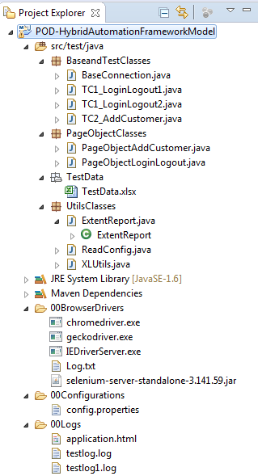
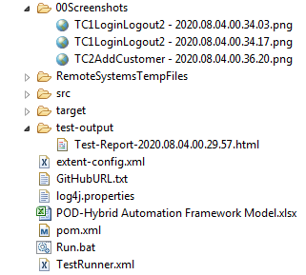
POD - Hybrid Automation Framework Model
Framework Structure in Eclipse

